Release
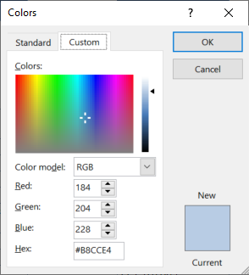
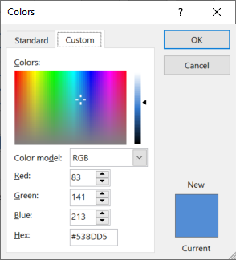
aa_bbvcc, where aa is document sort order as per user needs, bb is the template release number and cc is the document version

(r) Template release |  |  |  | https://www.compart.com/en/unicode/U+2022
Version | Date | Made by | Description
9 | 2-Nov-20 | Pieter van Zyl | Updates for company x
10 | 2-Nov-20 | Pieter van Zyl | Version history table added
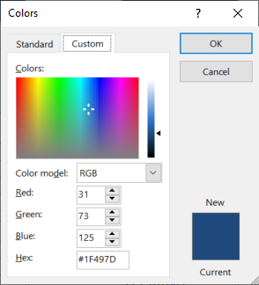
13 | 7-Nov-20 | Pieter van Zyl | Combine 01 and 02 plan in one. Merge tables . Move address sections into StartupInfo
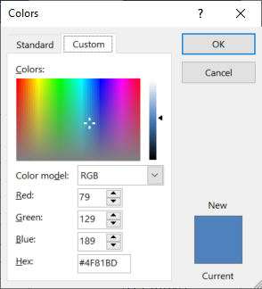
16 | 10-Nov-20 | Pieter van Zyl | Updated the macros
17 | 10-Nov-20 | Pieter van Zyl | Added OU location formula
24 | 18-Nov-20 | Pieter van Zyl | Include Opening briefing lookup (Standard). Add macros back
25 | 18-Nov-20 | Pieter van Zyl | Included resource estimates 12_ResourceEstimatesV3
26 | 19-Nov-20 | Pieter van Zyl | Start working on Participant List (All staff, all potential participants, recommended participants)
34 | 5-Dec-20 | Pieter van Zyl | Included PPQA quality flag
38 | 10-Dec-20 | Pieter van Zyl | Updated pivot table data sources.

